CHS-Mid
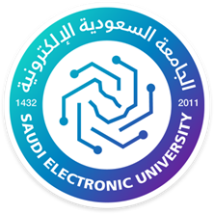
Kingdom of Saudi Arabia |  |  |  |  |  | المملكة العربية السعودية
Ministry of Education |  |  |  |  |  | وزارة التعليم
Saudi Electronic University |  |  |  |  |  | الجامعة السعودية الالكترونية

College of Administrative and Financial Sciences
Final Exam Schedule –Summer Semester 1447H (2025-2026)

Day /Date | Courses vs Sessions
 | Course Code | First Session | Course Code | Second Session | Course Code | Third Session
 |  | 3:00 PM –5:00 PM |  | 5:30 PM –7:30 PM |  | 8:00 PM –10:00 PM
 |  |  |  |  | STAT490 | PRINCIPLES OF STATISTICS
Sunday
2026-08-16

 |  |  |  |  | MGT 490 | PRINCIPLES OF Management
Monday
2026-08-17

 |  |  |  |  | ECON490 | MICROENONOMICS
Tuesday
2026-08-18

 |  |  |  |  | ACCT490 | PRINCIPLES OF ACCOUTING
Wednesday
2026-08-19

Thursday
2026-08-20

